VFD
VFD Control adress (STW) // Adress 99
15 | 14 | 13 | 12 | 11 | 10 | 9 | 8 | 7 | 6 | 5 | 4 | 3 | 2 | 1 | 0
R/W | R/W | R/W | R/W | R/W | R/W | R/W | R/W | R/W | R/W | R/W | R/W | R/W | R/W | R/W | R/W
0-1 | 0-1 | 0-1 | 0-1 | 0-1 | 0-1 | 0-1 | 0-1 | 0-1 | 0-1 | 0-1 | 0-1 | 0-1 | 0-1 | 0-1 | 0-1
 |  |  | x | CMD FWD REV |  |  |  | FAULT ACK |  |  |  | RUN ENABLE |  |  | CMD START
CDS Bit 0 (HAND /Auto) YES 0 // NO 1 | Motor Potentiometer MOP Down YES 0 // NO 1 | Motor Potentiometer MOP Up YES 0 // NO 1 | x | Reverse Set Point inversion YES 0 // NO 1 | Control from PLC YES 0 // NO 1 | JOG Left YES 0 // NO 1 | JOG Right YES 0 // NO 1 | Faul ACK YES 0 // NO 1 | Set Point Enable YES 0 // NO 1 | RFG Start YES 0 // NO 1 | RFG Enable YES 0 // NO 1 | Pulse Enable YES 0 // NO 1 | OFF 2 Fast Stop YES 1 // NO 0 | OFF 2 Electrical Stop YES 1 // NO 0 | ON / OFF 1 YES 0 // NO 1
0 | 0 | 0 | 0 | 0 | 1 | 0 | 0 | 1 | 1 | 1 | 1 | 1 | 1 | 1 | 0 | 1278 | Resetea
0 | 0 | 0 | 0 | 0 | 1 | 0 | 0 | 0 | 1 | 1 | 1 | 1 | 1 | 1 | 1 | 1151 | Gira en un sentido
0 | 0 | 0 | 0 | 1 | 1 | 0 | 0 | 0 | 1 | 1 | 1 | 1 | 1 | 1 | 1 | 3199 | Cambia sentido de giro
0 | 0 | 0 | 0 | 0 | 1 | 0 | 0 | 0 | 1 | 1 | 1 | 1 | 1 | 1 | 0 | 1150 | Para

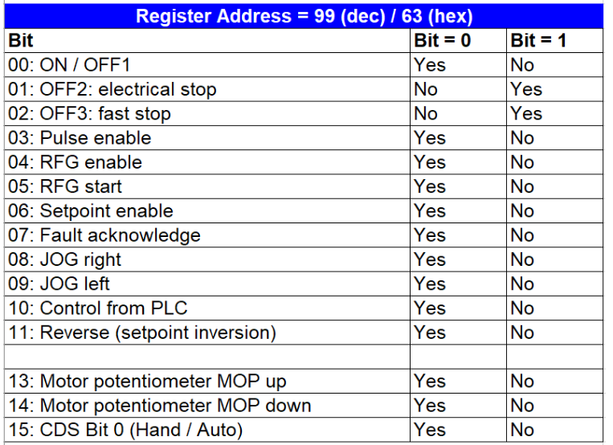

 |  |  |  |  |  |  |  |  |  |  |  |  |  |  | P1080 | Word frecuecnia fija

